How to Create Table
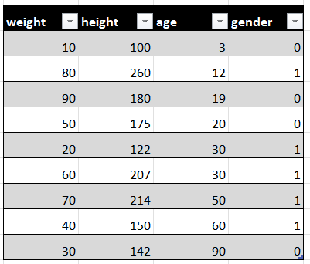
Step 1: | Open the sheet containing the table
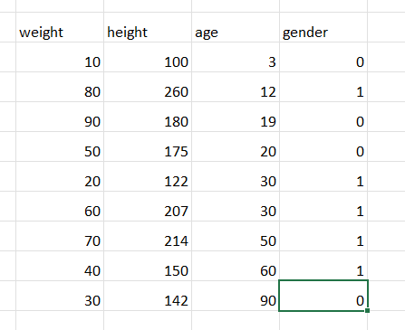

Step 2: | Highlight the entire table.
 | Step 2a: | Select the top left cell
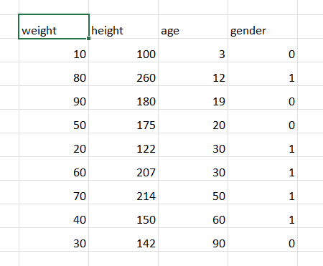

 | Step 2b: | From Step 2a, Press Shift + Ctrl + (Right Arrow Key)
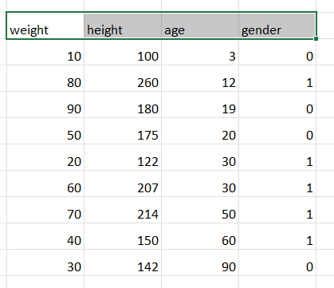

 | Step 2c: | From Step 2b, Press Shift + Ctrl + (Down Arrow Key)
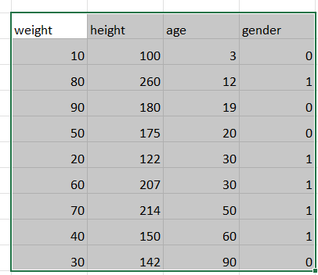

Step 3: | Make sure the ribbon tab is on Home

Step 4: | Keeping the table highlighted as per Step 2c, select Format as Table

Step 5: | Select any style
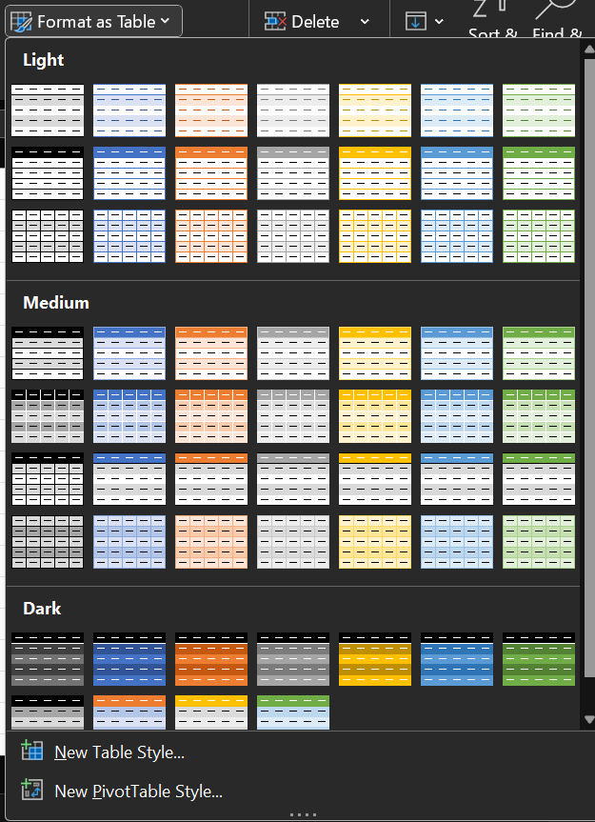

Step 6: | Press Ok
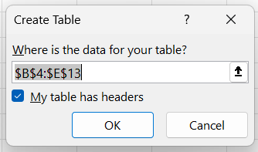

Step 7: | Done!

How to Reference a Cell
Please name your columns!

Step 1: | Select the Data input and press =

Step 2: | Navigate to the table you want to select, and click the top left cell
 | Case 1: | Same workbook:
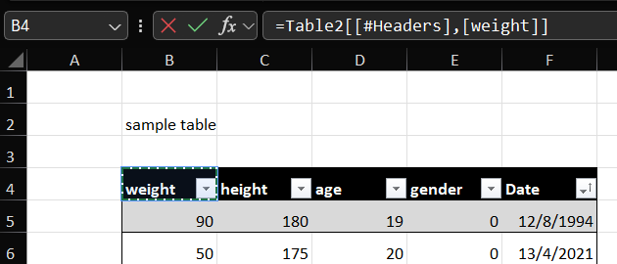

 | Case 2: | Different Workbook

Step 3: | Press Enter and you're done!

